Sheet1
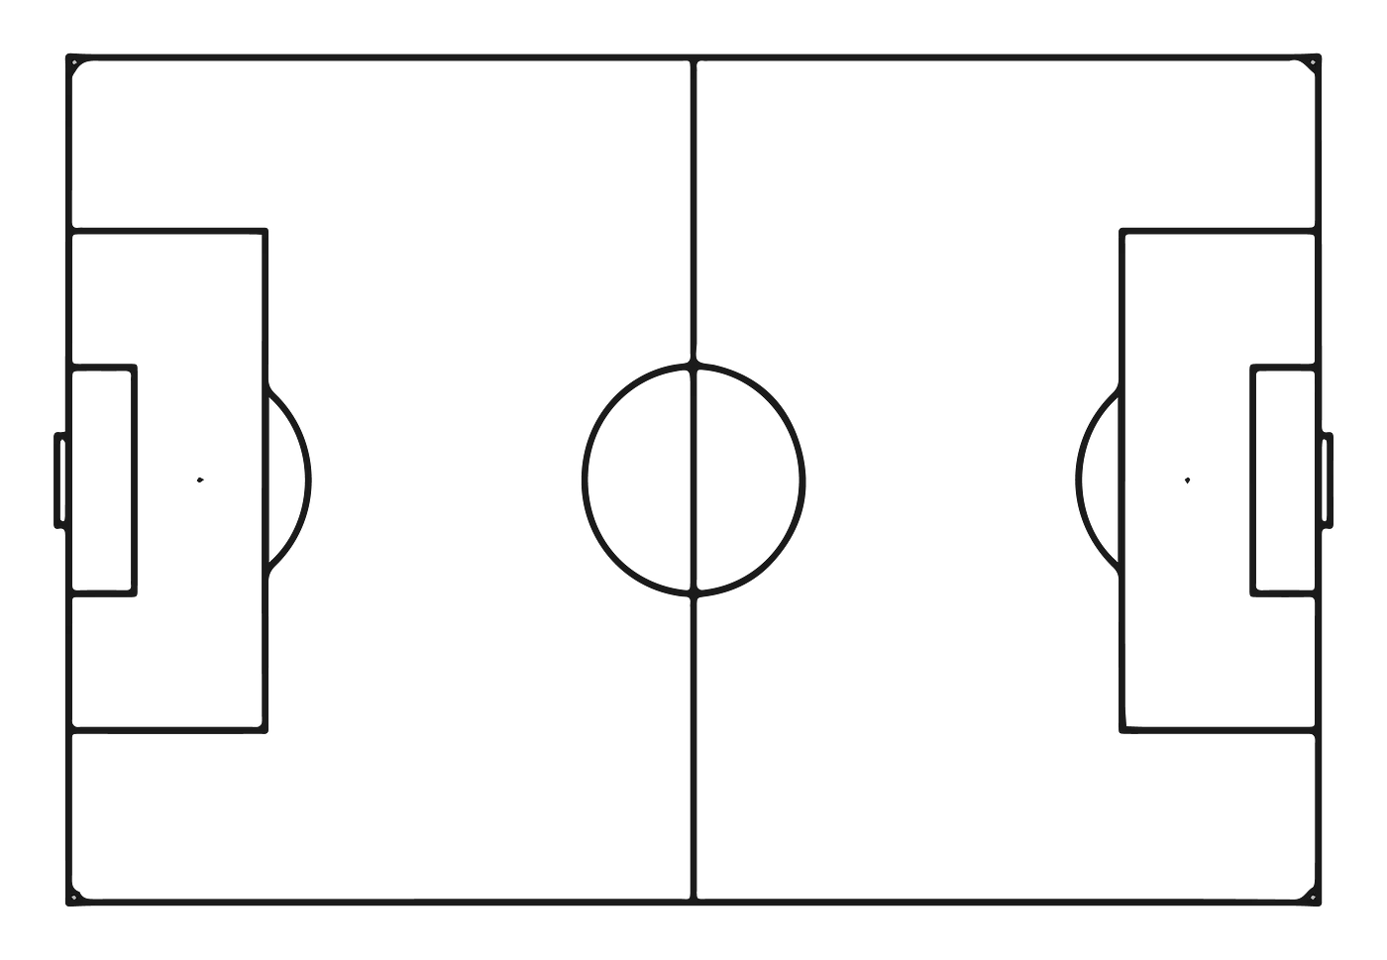
https://raahulbi103.medium.com/guide-to-creating-action-heat-maps-in-microsoft-excel-18b19f0c9d02
 |  | 1.15 | 2.15 | 3.15 | 4.15 | 5.15 | 6.15 | 7.15 | 8.15 | 9.15 | 10.15 | 11.15 | 12.15 | 13.15 | 14.15 | 15.15 | 16.15 | 17.15 | 18.15
 |  | 1.14 | 2.14 | 3.14 | 4.14 | 5.14 | 6.14 | 7.14 | 8.14 | 9.14 | 10.14 | 11.14 | 12.14 | 13.14 | 14.14 | 15.14 | 16.14 | 17.14 | 18.14
 |  | 1.13 | 2.13 | 3.13 | 4.13 | 5.13 | 6.13 | 7.13 | 8.13 | 9.13 | 10.13 | 11.13 | 12.13 | 13.13 | 14.13 | 15.13 | 16.13 | 17.13 | 18.13
 |  | 1.12 | 2.12 | 3.12 | 4.12 | 5.12 | 6.12 | 7.12 | 8.12 | 9.12 | 10.12 | 11.12 | 12.12 | 13.12 | 14.12 | 15.12 | 16.12 | 17.12 | 18.12
 |  | 1.11 | 2.11 | 3.11 | 4.11 | 5.11 | 6.11 | 7.11 | 8.11 | 9.11 | 10.11 | 11.11 | 12.11 | 13.11 | 14.11 | 15.11 | 16.11 | 17.11 | 18.11
 |  | 1.1 | 2.1 | 3.1 | 4.1 | 5.1 | 6.1 | 7.1 | 8.1 | 9.1 | 10.1 | 11.1 | 12.1 | 13.1 | 14.1 | 15.1 | 16.1 | 17.1 | 18.1
 |  | 1.09 | 2.09 | 3.09 | 4.09 | 5.09 | 6.09 | 7.09 | 8.09 | 9.09 | 10.09 | 11.09 | 12.09 | 13.09 | 14.09 | 15.09 | 16.09 | 17.09 | 18.09
 |  | 1.08 | 2.08 | 3.08 | 4.08 | 5.08 | 6.08 | 7.08 | 8.08 | 9.08 | 10.08 | 11.08 | 12.08 | 13.08 | 14.08 | 15.08 | 16.08 | 17.08 | 18.08
 |  | 1.07 | 2.07 | 3.07 | 4.07 | 5.07 | 6.07 | 7.07 | 8.07 | 9.07 | 10.07 | 11.07 | 12.07 | 13.07 | 14.07 | 15.07 | 16.07 | 17.07 | 18.07
 |  | 1.06 | 2.06 | 3.06 | 4.06 | 5.06 | 6.06 | 7.06 | 8.06 | 9.06 | 10.06 | 11.06 | 12.06 | 13.06 | 14.06 | 15.06 | 16.06 | 17.06 | 18.06
 |  | 1.05 | 2.05 | 3.05 | 4.05 | 5.05 | 6.05 | 7.05 | 8.05 | 9.05 | 10.05 | 11.05 | 12.05 | 13.05 | 14.05 | 15.05 | 16.05 | 17.05 | 18.05
 |  | 1.04 | 2.04 | 3.04 | 4.04 | 5.04 | 6.04 | 7.04 | 8.04 | 9.04 | 10.04 | 11.04 | 12.04 | 13.04 | 14.04 | 15.04 | 16.04 | 17.04 | 18.04
 |  | 1.03 | 2.03 | 3.03 | 4.03 | 5.03 | 6.03 | 7.03 | 8.03 | 9.03 | 10.03 | 11.03 | 12.03 | 13.03 | 14.03 | 15.03 | 16.03 | 17.03 | 18.03
 |  | 1.02 | 2.02 | 3.02 | 4.02 | 5.02 | 6.02 | 7.02 | 8.02 | 9.02 | 10.02 | 11.02 | 12.02 | 13.02 | 14.02 | 15.02 | 16.02 | 17.02 | 18.02
 |  | 1.01 | 2.01 | 3.01 | 4.01 | 5.01 | 6.01 | 7.01 | 8.01 | 9.01 | 10.01 | 11.01 | 12.01 | 13.01 | 14.01 | 15.01 | 16.01 | 17.01 | 18.01

 | COUNTIF(Sheet2!$E$2:$E$50,X16)

